Readme
Disclaimer

The data provided for analysis are purely illustrative and do not represent any actual company data or similar entities.

Content overview

The file features three tabs: “Income Breakdown“, "Worldwide Sales Distribution" and “Sales Breakdown“, containing comprehensive interactive dynamic dashboards presenting the financial statistics of a mobile game, a “Dataset” tab with raw statistical data, and a “Pivot tables” tab with customizable views for grouping and calculating data.

Dashboards Overview

To navigate through yearly statistics, please use the year slicer as shown in the image on the right.

1) Income Breakdown dashboard
The dashboard represents an overview of total income, a detailed percentage breakdown of income generated, EBITDA, and the sources of funds, categorized as player funds or third-party funds.
2) Worldwide Sales Distribution dashboard
The dashboard represents an overview of the leading countries by sales volume and the percentage of sales achieved.
3) Sales Breakdown dashboard
The dashboard represents an overview of installations by app stores, device types, and user payment types, total sales, ARPPU, ARPU, free-to-pay conversion rate, and percentage of refunded payments.

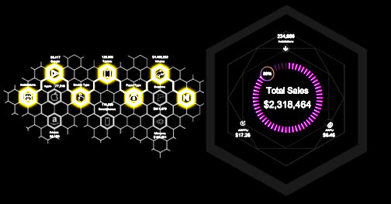

Viewing optimization

For a better experience, it is recommended to disable the Formula Bar, Headings, and hide the Toolbar. To do this, go to the View tab, uncheck Formula Bar (1) and Headings (2) , and click on the View tab again (3).

Dashboards have been optimized for a 13.6-inch screen (2560 x 1664).
If needed, you can adjust the dashboard to fit your monitor's resolution using the scaling tool in the bottom right corner of the document.


Enjoy using it!
projects
Please take a moment to explore my other

Income Breakdown
by Nikolai Potapov
Other Projects
Income Breakdown
Worldwide Sales Distribution
Sales Breakdown
VIP passes
402,049
Event streaming
133,092
Income Breakdown
 | Income Sources | Max
1.1 | 3 | 3
7.1 | 2 | 2
3.2 | 0.8 | 0.8
2 | 7.8 | 7.8
5 | 8.5 | 8.5
6.8 | 6 | 6
 |  | Percentage
 | 1 | 86%
 | 1 | 14%
 | 1
 | 1
 | 1
 | 1
 | 1
 | 1
 | 1
 | 1
 | 1
 | 1
 | 1
 | 1
 | 1
 | 1
 | 1
 | 1
 | 1
 | 1
 | 1
 | 1
 | 1
 | 1
 | 1
 | 1
 | 1
 | 1
 | 1
 | 1
 | 1
 | 1
 | 1
 | 1
 | 1
 | 1
 | 1
 | 1
 | 1
 | 1
 | 1
 | 1
 | 1
 | 1
 | 1
 | 1
 | 1
 | 1
 | 1
 | 1
...
Sponsorships
Merchandising
Ad Revenue
Events
In-app Purchases
Subscriptions
86%
Income Generated
Paid Traffic
1,205,509
4%
9%
1%
Quantity of Events
Subscriptions
Sponsorships
Merchandising
Events
In-app Purchases
Ad Revenue
4%
2%
12%
12%
35%
34%
122,253
52,269
393,842
392,187
1,130,847
1,096,443
●
●
●
●
●
●
Organic Traffic
795,213
713,421
Video ads
1,371,169
Overview of total income, a detailed percentage breakdown of income generated, EBITDA, and the sources of funds, categorized as player funds or third-party funds.
12%
25%
Entry fees
425,440
8%
4%
13%
Offerwall ads
62,824
Native ads
60,060
6%

1%
1%
Income Generated
$10,414,186
Income Target
12,072,024
Cross-Promoted Traffic
605,918
24%

3%
Annual subscriptions
795,825
2,512,113
Interstitial ads
304,638
 | Sum of EBITDA
Jan | 330,396
Feb | 359,503
Mar | 348,442
Apr | 360,117
May | 361,675
Jun | 335,675
Jul | 332,216
Aug | 349,158
Sep | 347,377
Oct | 355,455
Nov | 366,468
Dec | 340,888
EBITDA
4,187,370
7%

8%
10%
1%
Banner ads
713,421
 | Sum of Income | Sum of Income 2
Jan | 843,210 | 8.10%
Feb | 882,804 | 8.48%
Mar | 848,646 | 8.15%
Apr | 888,755 | 8.53%
May | 905,580 | 8.70%
Jun | 862,931 | 8.29%
Jul | 832,398 | 7.99%
Aug | 867,553 | 8.33%
Sep | 860,555 | 8.26%
Oct | 873,876 | 8.39%
Nov | 902,289 | 8.66%
Dec | 845,588 | 8.12%

Monthly subscriptions
145,035

19%

Sponsored Missions or Challenges
 | Series1 | Series2
Player Funds | 6,601,079 | 63.39%
Third-party Funds | 3,813,107 | 36.61%
6,601,079
63%
Player Funds
Third-party Funds
3,813,107
37%

450,789
Family or group subscriptions
1,040,471
4%
Digital Merchandise
594,120
11%
6%
1,167,901
Brand Sponsorships
298,206
Average
Monthly Income
867,849
Physical Merchandise
591,501
3%
Cross-promotions with Other Games
418,906
4%
6%
11%

594,120

Worldwide Sales Distribution
by Nikolai Potapov
Other Projects
Income Breakdown
Worldwide Sales Distribution
Sales Breakdown

Worldwide Sales Distribution
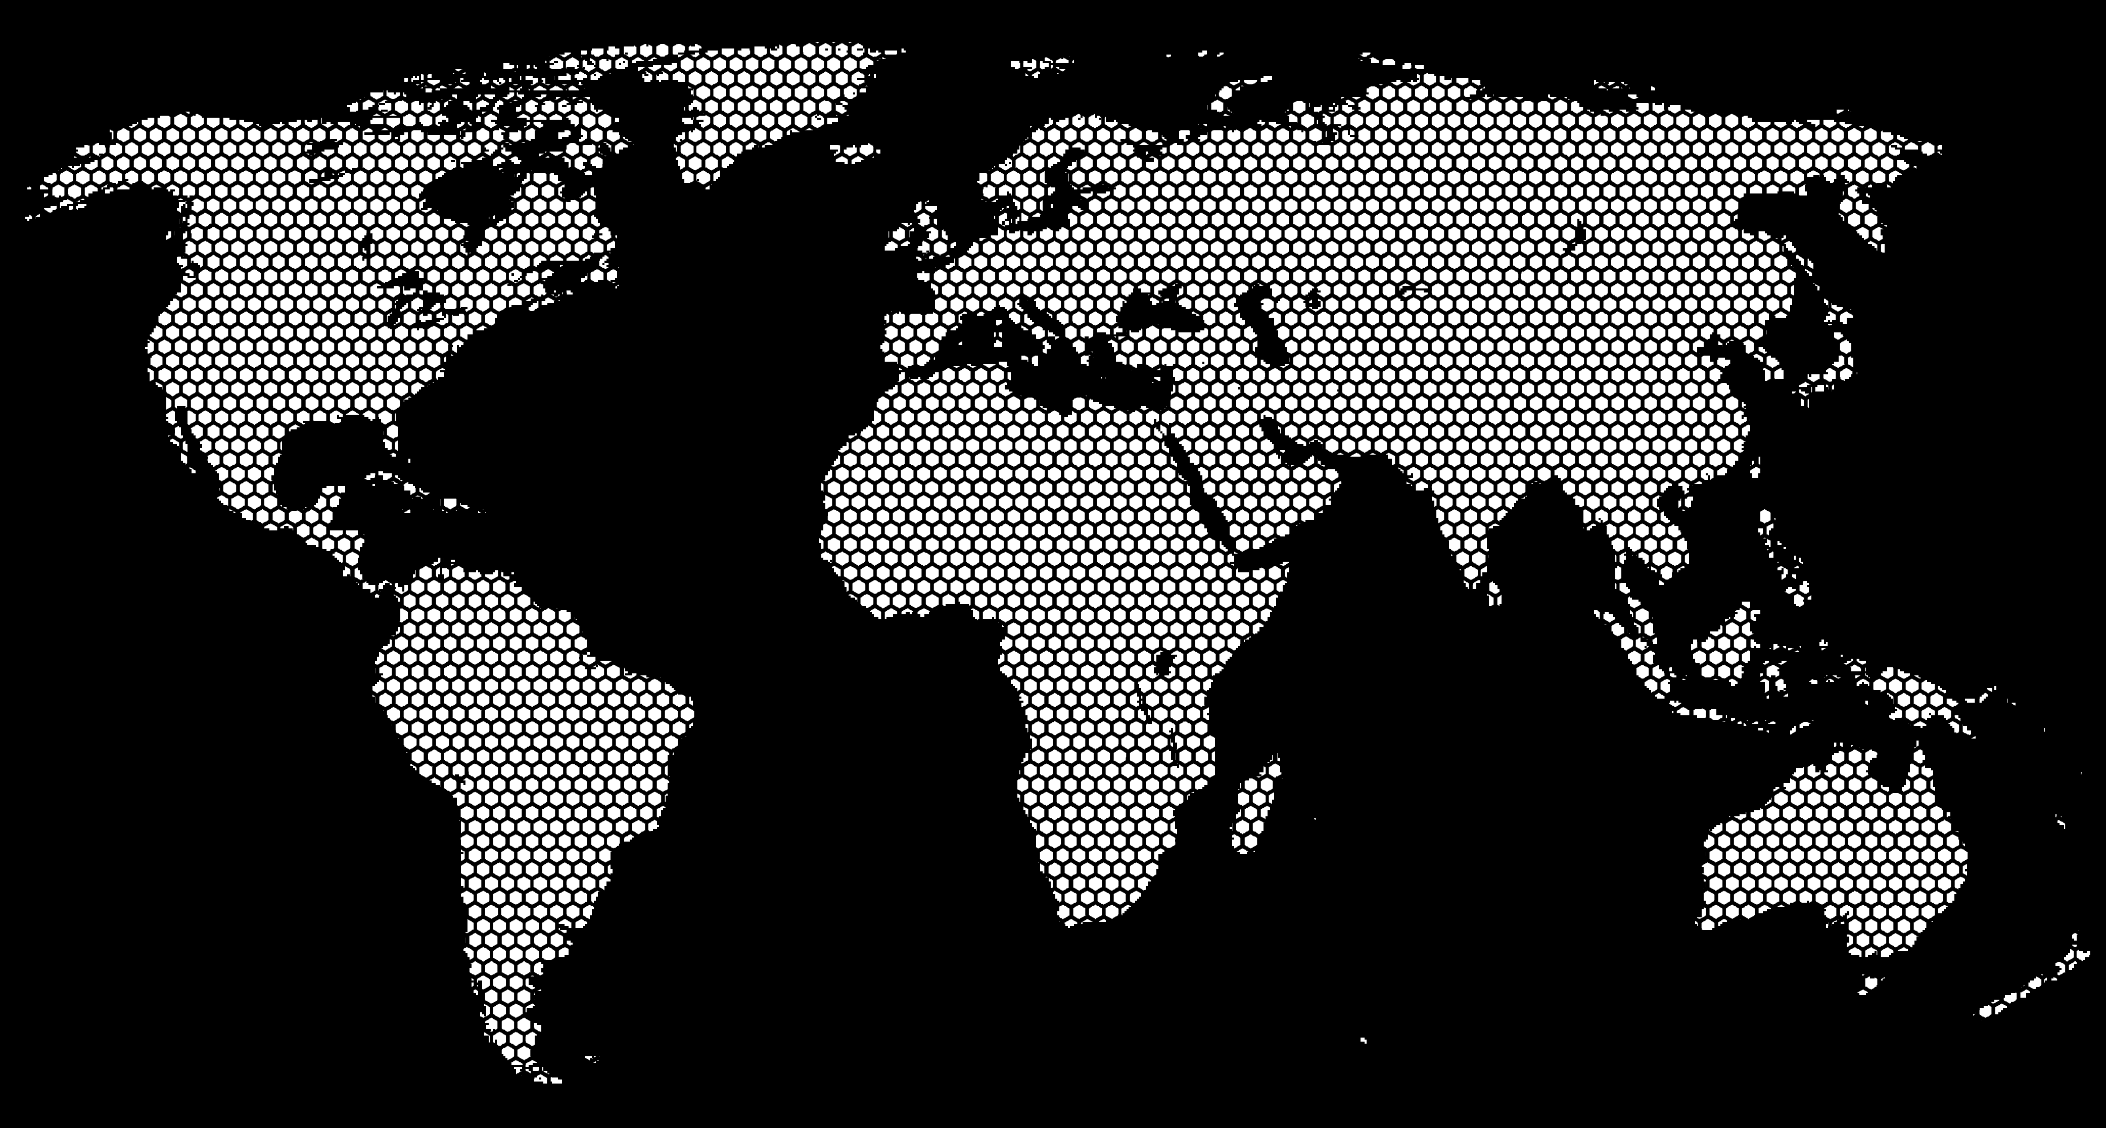
Canada
1,218,561
Overview of the leading countries by sales volume and the percentage of sales achieved
●
●
United Kingdom
752,155
●
●
●
●
●
●
●
●
●
●
●
●
●
œ
●
●
●
●
●
●
●
Japan
565,535
USA
1,193,701
●
●
●
●
●
●
●
●
●
●
●
●
●
●
UAE
660,117
●
Sales Market Leaders
●
●
●
●
●
●
●
●
●
●
●
$5,738,198
●
●
●
●

 | Canada | USA | Australia | United Kingdom | UAE | Japan | Argentina
 | 21% | 21% | 14% | 13% | 12% | 10% | 9%
 |  |  | Y&X
Remaining percentage | 34% | 0 | 1
Actual | 66% | 0.85318169062 | -0.52161384452
66%
Sales Percentage Achieved

Canada
1,218,561
21.24%
USA
1,193,701
20.80%
Australia
813,924
14.18%
United Kingdom
752,155
13.11%
UAE
660,117
11.50%
Japan
565,535
9.86%
Argentina
534,205
9.31%
●
●
●
●
●
●
●
Argentina
534,205
Australia
813,924

●
●
●
●
●
●
●
●
●
●
●
●
●
●
●
●
●
●
●
●
●
●
●
●
●
●

Sales Breakdown
by Nikolai Potapov
Other Projects
Income Breakdown
Worldwide Sales Distribution
Sales Breakdown

Sales Breakdown


Paid | 79%
Refunded | 21%
Refunded
21%
1,173,020
Free-to-Paid Conversion rate
40%

Installations
Overview of installations by app stores, device types, and user payment types, total sales, ARPPU, ARPU, free-to-pay conversion rate, and percentage of refunded payments.
⬢

Whales | 57,826
Dolphins | 158,012
Minnows | 249,391
Non-payers | 707,791
 | First | Second | Third
 | 1 | 82% | 1
 | 1 | 18% | 0.41236615005
 | 1
 | 1
 | 1
 | 1
 | 1
 | 1
 | 1
 | 1
 | 1
 | 1
 | 1
 | 1
 | 1
 | 1
 | 1
 | 1
 | 1
 | 1
 | 1
 | 1
 | 1
 | 1
 | 1
 | 1
 | 1
 | 1
 | 1
 | 1
 | 1
 | 1
 | 1
 | 1
 | 1
 | 1
 | 1
 | 1
 | 1
 | 1
 | 1
 | 1
 | 1
 | 1
 | 1
 | 1
 | 1
 | 1
 | 1
 | 1
...
Total Sales
$11,093,630

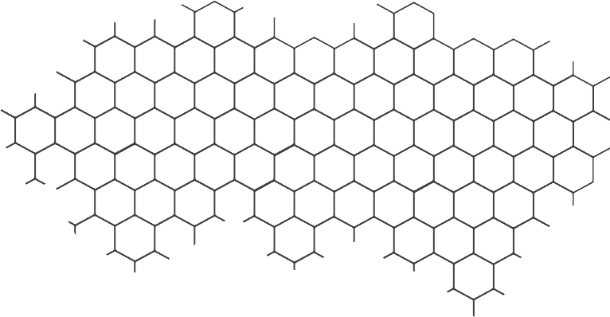
⬡
376,190
595,314
$6,290,454
Google
⬡
⬡
Tablets
⬡
Whales
⬢
⬢

⎢
⎢
⬡
Installations
⬡
Apple
⬡
417,094
Device Type
⬡
⎢
⎢
Payer Type
⬡
⬡
⎢
⎢
⎢
⎢
⎢
⎢
⬡
Dolphins
⬡

⬢
⬢
⎢
⎢
⎢
⎢
577,706
ARPPU
ARPU
⬡
⬡
Smartphones
⬡
$3,884,697
$18.91
$7.50

⬢
⬢
⬢

Amazon
379,736
Minnows
$918,480

